Black Scholes - Checked
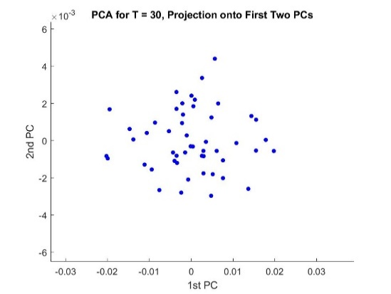
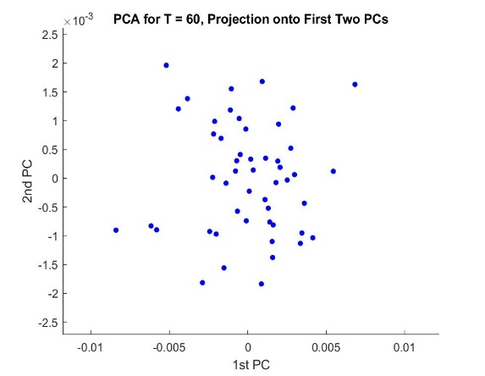
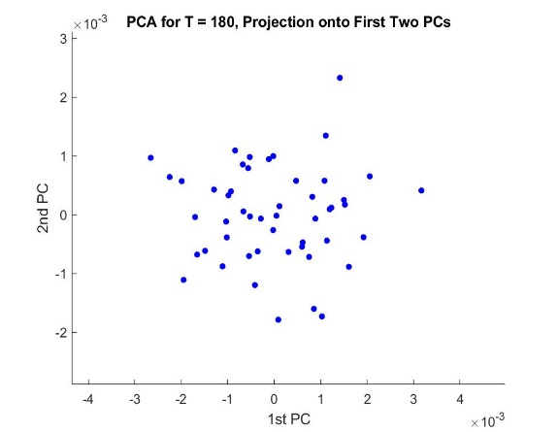
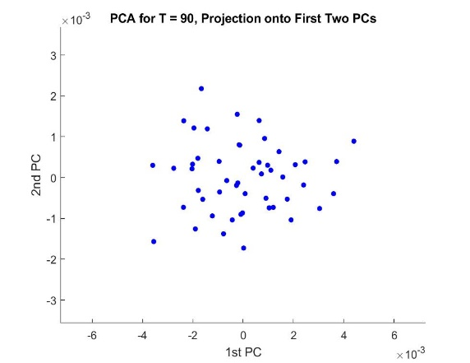
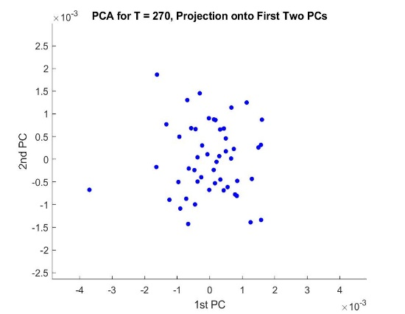
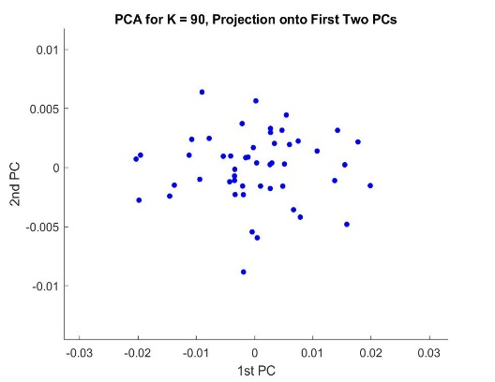
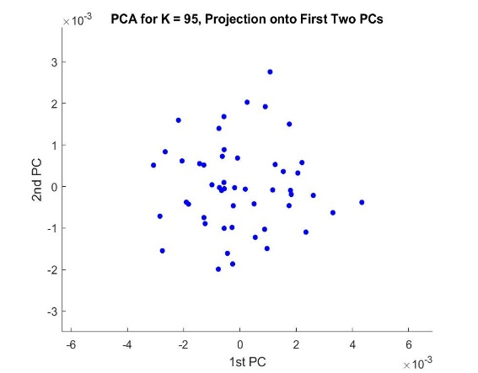
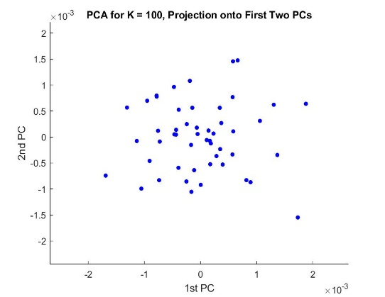
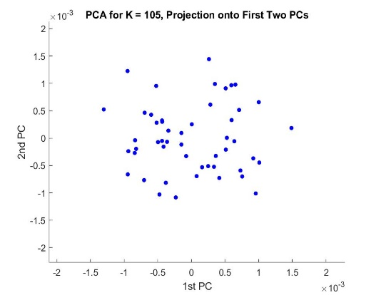
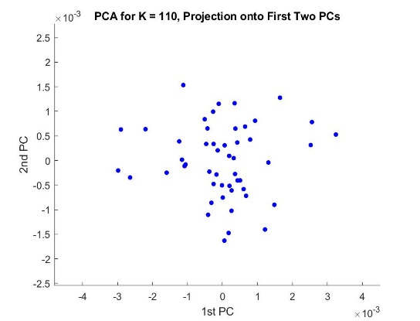
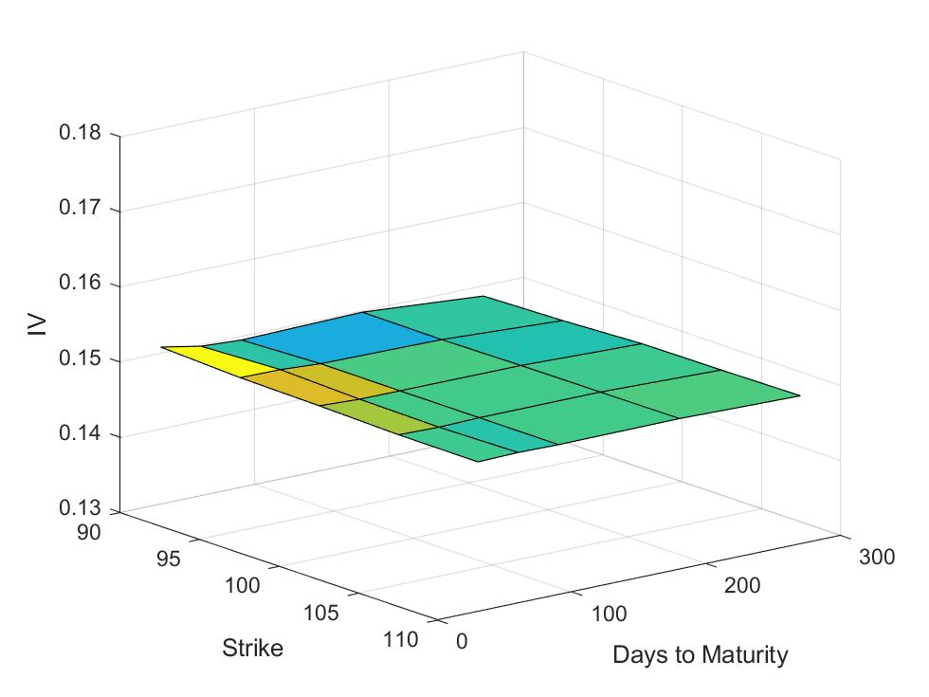
IV Surface BLS Averaged over all runs

PCA - entire surface
 | 0.997 | 0.960 | 0.848 | 0.795 | 0.772 | 0.886 | 0.787 | 0.680 | 0.521 | 0.629 | 0.545 | 0.464 | 0.696 | 0.453 | 0.565 | 0.482 | 0.698 | 0.676 | 0.597 | 0.655 | 0.665 | 0.496 | 0.636 | 0.535 | 0.810
Principal Components | c1 | c2 | c3 | c4 | c5 | c6 | c7 | c8 | c9 | c10 | c11 | c12 | c13 | c14 | c15 | c16 | c17 | c18 | c19 | c20 | c21 | c22 | c23 | c24 | c25
K = 90, M = 30 | 0.997 | 0.059 | 0.010 | 0.011 | 0.009 | 0.006 | -0.003 | 0.001 | 0.018 | 0.024 | 0.009 | -0.014 | -0.007 | -0.002 | -0.001 | -0.001 | -0.023 | -0.014 | -0.007 | 0.010 | -0.005 | 0.009 | 0.007 | 0.003 | 0.005
K = 95, M = 30 | -0.013 | 0.160 | -0.455 | 0.795 | -0.134 | 0.079 | -0.096 | -0.005 | -0.068 | -0.098 | -0.028 | 0.096 | -0.045 | 0.019 | 0.085 | -0.031 | -0.154 | -0.128 | 0.059 | -0.099 | -0.067 | 0.039 | -0.062 | 0.004 | 0.056
K = 100, M = 30 | -0.002 | 0.000 | 0.024 | -0.022 | 0.055 | 0.047 | 0.347 | -0.217 | 0.200 | -0.451 | 0.188 | -0.335 | 0.024 | 0.323 | 0.314 | 0.183 | -0.170 | -0.218 | -0.125 | -0.023 | 0.103 | -0.140 | -0.126 | -0.244 | 0.022
K = 105, M = 30 | 0.001 | -0.013 | 0.028 | -0.034 | 0.052 | 0.190 | 0.072 | -0.213 | -0.126 | 0.216 | -0.095 | -0.005 | 0.065 | -0.237 | 0.565 | -0.181 | 0.122 | -0.014 | 0.399 | 0.116 | -0.259 | -0.171 | 0.159 | -0.302 | 0.156
K = 110, M = 30 | -0.003 | -0.074 | -0.006 | 0.023 | 0.289 | 0.886 | 0.000 | -0.019 | -0.047 | 0.043 | -0.108 | -0.058 | -0.065 | 0.182 | -0.212 | 0.000 | 0.015 | 0.093 | -0.074 | 0.018 | -0.007 | 0.007 | 0.002 | 0.017 | -0.090
K = 90, M = 60 | -0.059 | 0.960 | 0.168 | -0.078 | 0.080 | 0.028 | -0.040 | -0.065 | -0.031 | 0.023 | -0.087 | -0.031 | 0.020 | -0.001 | -0.055 | 0.011 | 0.018 | -0.015 | -0.075 | -0.018 | 0.012 | 0.005 | 0.026 | -0.078 | 0.025
K = 95, M = 60 | -0.015 | 0.012 | -0.028 | 0.003 | 0.367 | -0.057 | -0.213 | 0.680 | -0.016 | 0.079 | 0.011 | -0.335 | 0.124 | 0.074 | 0.228 | -0.128 | -0.181 | -0.159 | -0.003 | -0.113 | 0.049 | -0.172 | 0.187 | 0.084 | 0.018
K = 100, M = 60 | 0.011 | 0.029 | -0.023 | 0.096 | -0.001 | -0.106 | 0.182 | 0.218 | -0.112 | 0.129 | -0.049 | 0.089 | -0.183 | 0.453 | 0.104 | 0.098 | 0.698 | -0.196 | -0.062 | 0.105 | -0.168 | -0.039 | -0.050 | 0.007 | -0.161
K = 105, M = 60 | 0.002 | 0.057 | 0.056 | -0.063 | -0.028 | 0.002 | 0.176 | -0.046 | 0.149 | -0.122 | -0.296 | 0.141 | -0.327 | 0.101 | 0.419 | -0.184 | -0.147 | 0.287 | -0.036 | -0.229 | -0.051 | 0.011 | 0.066 | 0.535 | -0.185
K = 110, M = 60 | 0.005 | -0.039 | 0.068 | -0.243 | -0.094 | 0.043 | 0.082 | 0.187 | -0.414 | 0.021 | -0.142 | 0.255 | -0.257 | 0.029 | 0.029 | 0.097 | -0.354 | -0.355 | 0.025 | -0.303 | -0.147 | 0.249 | -0.185 | -0.283 | -0.079
K = 90, M = 90 | -0.001 | -0.106 | 0.848 | 0.464 | -0.016 | -0.002 | -0.032 | 0.035 | -0.135 | -0.117 | 0.006 | 0.065 | 0.039 | 0.032 | -0.004 | -0.068 | -0.019 | -0.006 | 0.041 | 0.002 | 0.066 | -0.013 | 0.014 | 0.000 | 0.027
K = 95, M = 90 | -0.019 | 0.072 | 0.044 | 0.019 | 0.327 | 0.080 | 0.166 | 0.156 | 0.365 | -0.015 | 0.545 | 0.464 | 0.027 | -0.125 | 0.089 | 0.070 | -0.022 | -0.082 | 0.078 | 0.038 | -0.202 | 0.299 | 0.038 | 0.075 | 0.032
K = 100, M = 90 | 0.008 | 0.034 | -0.040 | 0.061 | -0.027 | -0.025 | -0.029 | 0.144 | -0.300 | 0.067 | 0.219 | -0.011 | 0.020 | 0.114 | 0.228 | 0.482 | -0.070 | 0.676 | -0.011 | -0.001 | 0.071 | 0.105 | 0.072 | -0.192 | -0.100
K = 105, M = 90 | -0.017 | 0.011 | 0.006 | 0.047 | 0.039 | 0.029 | 0.085 | 0.000 | -0.134 | 0.186 | -0.081 | 0.098 | -0.145 | -0.228 | 0.175 | 0.289 | -0.230 | -0.246 | -0.251 | 0.655 | 0.209 | -0.141 | -0.025 | 0.226 | -0.104
K = 110, M = 90 | 0.007 | 0.021 | 0.053 | -0.044 | -0.038 | 0.152 | -0.085 | 0.005 | -0.075 | 0.032 | 0.149 | -0.082 | -0.060 | -0.291 | 0.092 | 0.405 | 0.239 | -0.107 | 0.123 | -0.389 | 0.092 | -0.258 | -0.383 | 0.357 | 0.289
K = 90, M = 180 | 0.010 | -0.082 | -0.072 | 0.085 | 0.772 | -0.320 | -0.034 | -0.374 | -0.296 | -0.073 | -0.117 | 0.019 | -0.064 | -0.012 | -0.081 | 0.045 | 0.023 | 0.030 | -0.038 | -0.088 | -0.067 | 0.020 | -0.067 | 0.044 | 0.020
K = 95, M = 180 | -0.016 | -0.058 | 0.108 | 0.083 | 0.079 | -0.063 | -0.231 | 0.030 | 0.521 | 0.162 | -0.450 | -0.179 | -0.134 | 0.031 | 0.050 | 0.384 | -0.034 | 0.012 | 0.101 | 0.071 | -0.164 | 0.323 | -0.151 | -0.152 | 0.135
K = 100, M = 180 | -0.008 | 0.061 | -0.017 | -0.096 | -0.047 | -0.017 | -0.027 | -0.029 | -0.195 | -0.143 | 0.149 | -0.203 | -0.270 | 0.286 | -0.145 | 0.030 | -0.098 | -0.063 | 0.597 | 0.282 | 0.041 | 0.224 | 0.161 | 0.290 | 0.271
K = 105, M = 180 | -0.006 | -0.046 | 0.038 | -0.010 | -0.090 | -0.012 | -0.104 | -0.217 | 0.054 | 0.152 | -0.004 | 0.165 | 0.088 | 0.223 | -0.101 | 0.377 | -0.139 | -0.194 | -0.093 | -0.222 | -0.228 | -0.281 | 0.636 | 0.102 | 0.081
K = 110, M = 180 | 0.011 | -0.035 | -0.064 | 0.005 | 0.052 | 0.064 | -0.006 | -0.007 | 0.020 | -0.152 | -0.146 | 0.108 | -0.084 | -0.180 | 0.136 | 0.071 | 0.283 | -0.154 | 0.012 | -0.171 | 0.665 | 0.316 | 0.418 | -0.130 | 0.031
K = 90, M = 270 | -0.008 | 0.019 | -0.017 | 0.166 | 0.049 | -0.073 | 0.787 | 0.170 | 0.034 | 0.244 | -0.163 | -0.170 | 0.005 | -0.178 | -0.293 | 0.077 | -0.078 | 0.096 | 0.131 | -0.121 | 0.028 | -0.052 | 0.112 | -0.014 | 0.114
K = 95, M = 270 | -0.027 | -0.008 | 0.060 | 0.094 | -0.005 | -0.044 | -0.063 | -0.259 | 0.092 | 0.629 | 0.374 | -0.234 | -0.358 | 0.125 | 0.057 | -0.195 | -0.092 | -0.068 | -0.080 | -0.183 | 0.221 | 0.089 | -0.041 | -0.055 | -0.123
K = 100, M = 270 | 0.001 | 0.005 | -0.011 | -0.029 | -0.008 | 0.013 | 0.091 | -0.132 | -0.071 | 0.280 | -0.126 | 0.098 | 0.696 | 0.309 | 0.148 | 0.026 | -0.083 | -0.110 | 0.149 | -0.048 | 0.206 | 0.265 | -0.201 | 0.247 | -0.063
K = 105, M = 270 | -0.008 | -0.022 | 0.035 | 0.031 | -0.119 | 0.059 | 0.056 | -0.079 | -0.208 | -0.067 | 0.094 | -0.457 | 0.123 | -0.266 | 0.093 | 0.024 | 0.128 | -0.110 | -0.329 | -0.024 | -0.375 | 0.496 | 0.188 | 0.219 | -0.059
K = 110, M = 270 | -0.002 | -0.041 | -0.016 | -0.042 | -0.020 | 0.014 | 0.055 | 0.048 | -0.079 | 0.096 | -0.033 | 0.140 | -0.037 | 0.196 | 0.099 | -0.179 | -0.013 | 0.121 | -0.433 | 0.059 | 0.030 | 0.098 | -0.031 | -0.012 | 0.810

% of Variance explained | 77.064 | 8.118 | 3.401 | 2.242 | 1.541 | 1.426 | 1.035 | 0.937 | 0.674 | 0.573 | 0.473 | 0.412 | 0.326 | 0.294 | 0.278 | 0.240 | 0.208 | 0.189 | 0.135 | 0.112 | 0.107 | 0.087 | 0.050 | 0.043 | 0.034

PCA - fixed maturity

T = 30 |  |  |  |  |  |  |  | T = 60 |  |  |  |  |  |  |  | T = 90 |  |  |  |  |  |  |  | T = 180 |  |  |  |  |  | T = 270
Principal Components | c1 | c2 | c3 | c4 | c5 |  |  | Principal Components | c1 | c2 | c3 | c4 | c5 |  |  | Principal Components | c1 | c2 | c3 | c4 | c5 |  |  | Principal Components | c1 | c2 | c3 | c4 | c5 | Principal Components | c1 | c2 | c3 | c4 | c5
K = 90 | 1.000 | 0.012 | 0.004 | 0.002 | -0.002 |  |  | K = 90 | 0.997 | -0.013 | 0.012 | -0.029 | -0.067 |  |  | K = 90 | 0.999 | -0.027 | 0.004 | -0.011 | -0.037 |  |  | K = 90 | 0.992 | -0.085 | 0.085 | 0.013 | -0.035 | K = 90 | 0.990 | -0.095 | -0.078 | -0.075 | -0.003
K = 95 | -0.012 | 0.997 | 0.042 | 0.049 | 0.048 |  |  | K = 95 | 0.022 | 0.975 | 0.023 | -0.118 | 0.187 |  |  | K = 95 | 0.024 | 0.993 | 0.001 | -0.107 | -0.036 |  |  | K = 95 | 0.074 | 0.915 | 0.119 | -0.377 | 0.032 | K = 95 | 0.082 | 0.985 | -0.023 | -0.147 | -0.026
K = 100 | -0.002 | -0.052 | 0.067 | 0.996 | -0.008 |  |  | K = 100 | 0.017 | 0.146 | 0.153 | 0.962 | -0.170 |  |  | K = 100 | -0.021 | -0.033 | 0.899 | -0.168 | -0.402 |  |  | K = 100 | -0.064 | -0.301 | 0.696 | -0.488 | 0.428 | K = 100 | 0.100 | 0.053 | 0.939 | 0.288 | -0.150
K = 105 | 0.001 | -0.055 | 0.209 | -0.009 | 0.976 |  |  | K = 105 | 0.061 | -0.170 | 0.294 | 0.142 | 0.928 |  |  | K = 105 | 0.017 | 0.107 | 0.236 | 0.958 | 0.119 |  |  | K = 105 | -0.010 | 0.255 | 0.412 | 0.780 | 0.397 | K = 105 | 0.061 | 0.131 | -0.292 | 0.943 | 0.067
K = 110 | -0.003 | -0.028 | 0.975 | -0.069 | -0.211 |  |  | K = 110 | -0.034 | 0.005 | 0.943 | -0.197 | -0.265 |  |  | K = 110 | 0.030 | 0.010 | 0.368 | -0.205 | 0.907 |  |  | K = 110 | 0.078 | -0.005 | -0.570 | -0.109 | 0.811 | K = 110 | 0.016 | 0.025 | 0.162 | -0.025 | 0.986

% of Variance explained | 94.434 | 2.976 | 1.705 | 0.575 | 0.310 |  |  | % of Variance explained | 80.921 | 8.492 | 4.937 | 3.417 | 2.232 |  |  | % of Variance explained | 69.147 | 14.680 | 7.414 | 4.644 | 4.115 |  |  | % of Variance explained | 53.942 | 23.264 | 9.577 | 7.916 | 5.301 | % of Variance explained | 41.373 | 26.583 | 14.650 | 12.055 | 5.339

PCA - fixed strike

K = 90 |  |  |  |  |  |  |  | K = 95 |  |  |  |  |  |  |  | K = 100 |  |  |  |  |  |  |  | K = 105 |  |  |  |  |  | K = 110
Principal Components | c1 | c2 | c3 | c4 | c5 |  |  | Principal Components | c1 | c2 | c3 | c4 | c5 |  |  | Principal Components | c1 | c2 | c3 | c4 | c5 |  |  | Principal Components | c1 | c2 | c3 | c4 | c5 | Principal Components | c1 | c2 | c3 | c4 | c5
T = 30 | 0.998 | 0.059 | 0.007 | -0.004 | 0.007 |  |  | T = 30 | 0.998 | 0.010 | 0.014 | -0.033 | 0.050 |  |  | T = 30 | 0.897 | 0.359 | 0.112 | 0.001 | -0.232 |  |  | T = 30 | 0.818 | -0.094 | 0.139 | -0.247 | -0.492 | T = 30 | 0.988 | -0.063 | -0.105 | -0.069 | -0.069
T = 60 | -0.059 | 0.990 | 0.083 | 0.093 | -0.022 |  |  | T = 60 | 0.003 | 0.825 | -0.183 | -0.353 | -0.402 |  |  | T = 60 | -0.268 | 0.708 | 0.245 | 0.578 | 0.181 |  |  | T = 60 | 0.372 | 0.744 | -0.083 | -0.151 | 0.528 | T = 60 | 0.044 | 0.974 | -0.022 | -0.006 | -0.222
T = 90 | -0.001 | -0.089 | 0.994 | 0.046 | -0.034 |  |  | T = 90 | 0.002 | 0.512 | 0.010 | 0.780 | 0.360 |  |  | T = 90 | -0.332 | 0.510 | -0.094 | -0.569 | -0.545 |  |  | T = 90 | 0.335 | -0.144 | 0.324 | 0.835 | 0.255 | T = 90 | 0.115 | 0.115 | 0.855 | -0.206 | 0.447
T = 180 | 0.010 | -0.090 | -0.057 | 0.991 | -0.078 |  |  | T = 180 | -0.057 | 0.241 | 0.587 | -0.453 | 0.624 |  |  | T = 180 | 0.111 | 0.330 | -0.432 | -0.398 | 0.731 |  |  | T = 180 | -0.066 | -0.232 | 0.784 | -0.432 | 0.374 | T = 180 | 0.091 | -0.001 | 0.237 | 0.967 | -0.033
T = 270 | -0.008 | 0.011 | 0.031 | 0.081 | 0.996 |  |  | T = 270 | 0.025 | 0.006 | 0.789 | 0.246 | -0.563 |  |  | T = 270 | -0.021 | -0.027 | 0.855 | -0.429 | 0.288 |  |  | T = 270 | 0.277 | -0.603 | -0.504 | -0.179 | 0.523 | T = 270 | 0.034 | 0.186 | -0.448 | 0.136 | 0.863

% of Variance explained | 85.631 | 8.617 | 3.362 | 1.453 | 0.938 |  |  | % of Variance explained | 48.903 | 19.515 | 13.060 | 11.479 | 7.043 |  |  | % of Variance explained | 30.390 | 23.513 | 19.407 | 15.524 | 11.166 |  |  | % of Variance explained | 28.809 | 26.193 | 18.422 | 14.664 | 11.912 | % of Variance explained | 59.055 | 21.170 | 9.497 | 7.271 | 3.006

Heston - Checked
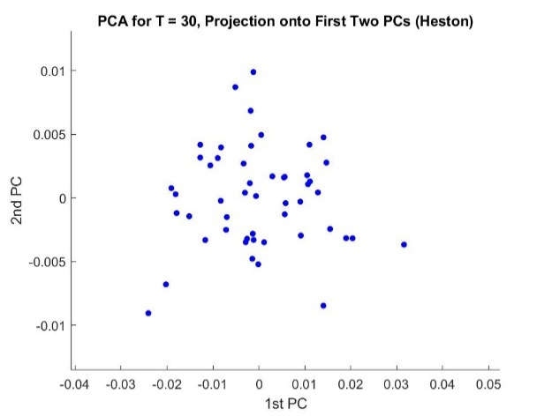
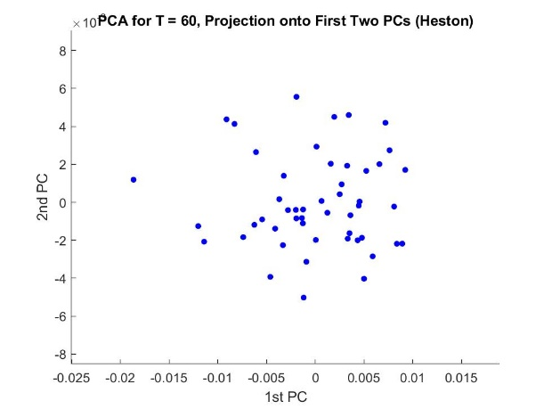
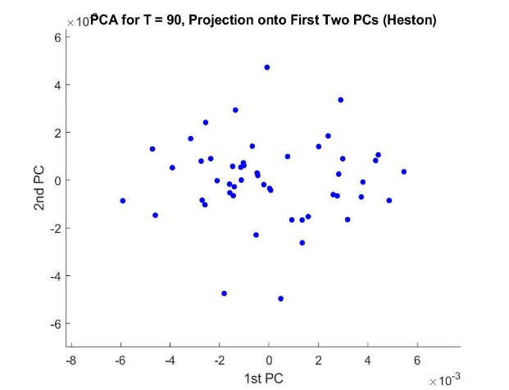
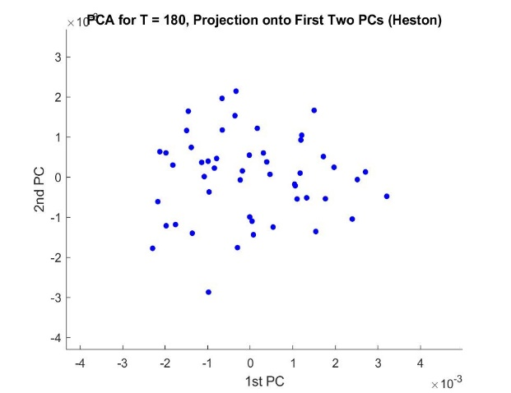
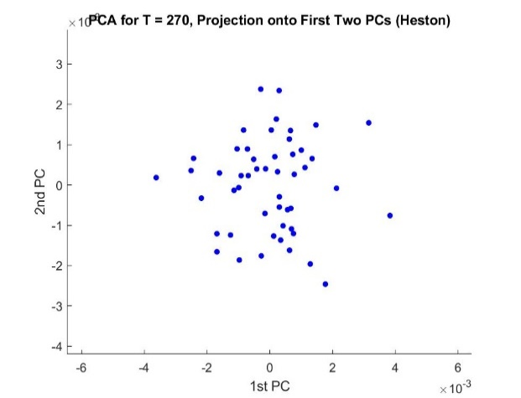
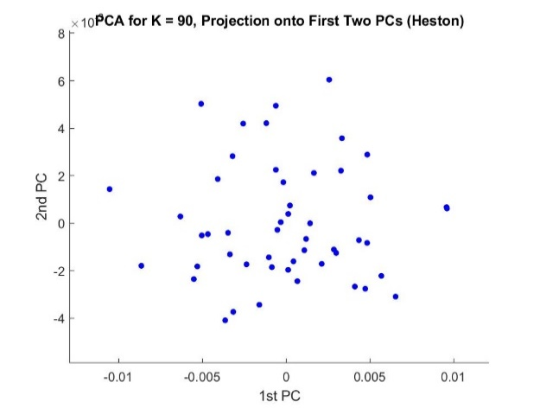
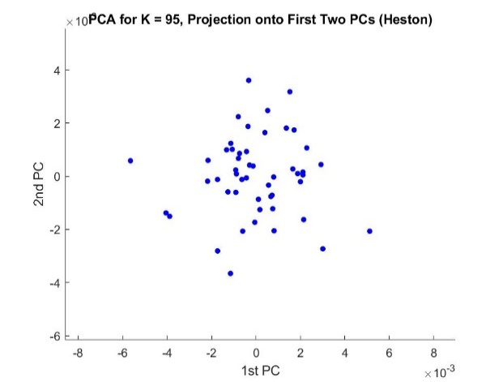
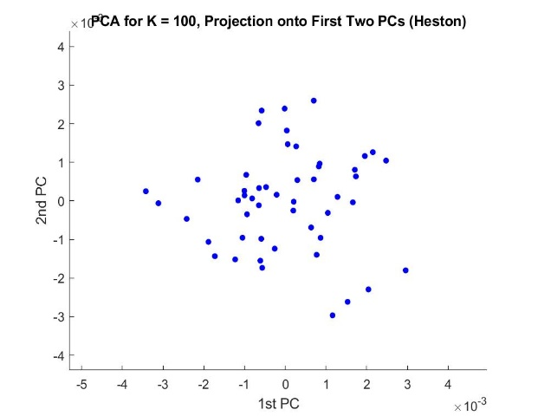
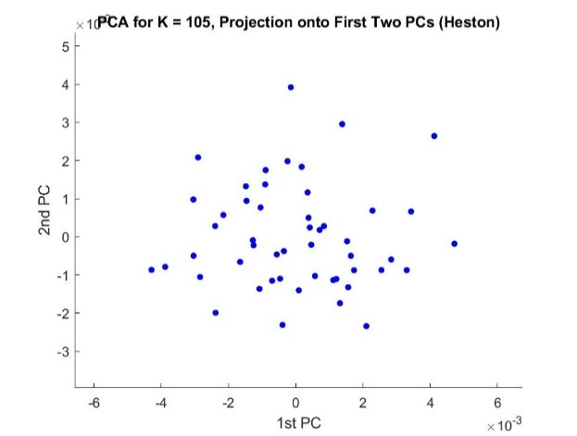
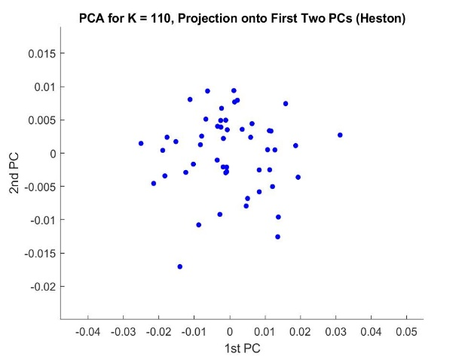
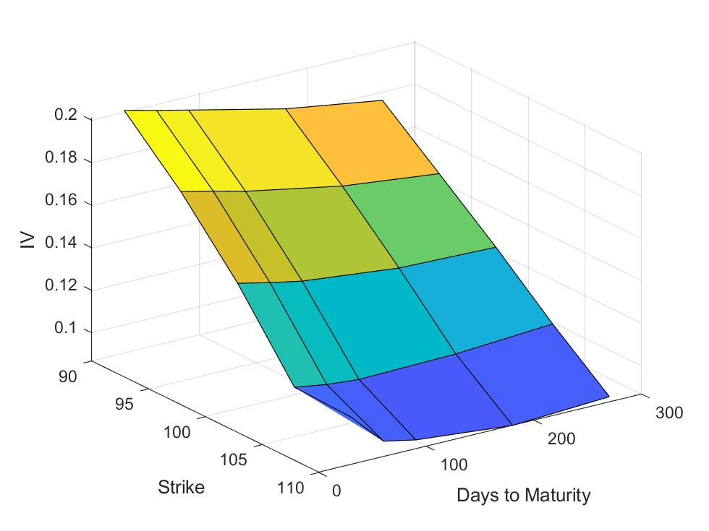
IV Surface Heston Averaged over all runs

PCA - entire surface
 | 0.981 | 0.974 | 0.874 | 0.709 | 0.597 | 0.525 | 0.669 | 0.638 | 0.584 | 0.487 | 0.567 | 0.504 | 0.438 | 0.499 | 0.440 | 0.683 | 0.565 | 0.498 | 0.471 | 0.604 | 0.636 | 0.549 | 0.551 | 0.606 | 0.539
Principal Components | c1 | c2 | c3 | c4 | c5 | c6 | c7 | c8 | c9 | c10 | c11 | c12 | c13 | c14 | c15 | c16 | c17 | c18 | c19 | c20 | c21 | c22 | c23 | c24 | c25
K = 90, M = 30 | -0.149 | -0.028 | 0.874 | 0.195 | 0.215 | -0.176 | -0.126 | -0.018 | -0.115 | 0.174 | 0.039 | 0.010 | -0.047 | -0.070 | -0.038 | 0.045 | -0.103 | 0.068 | -0.040 | 0.017 | 0.072 | 0.042 | 0.035 | 0.014 | 0.000
K = 95, M = 30 | 0.003 | -0.024 | -0.165 | 0.150 | 0.408 | -0.220 | -0.035 | 0.638 | 0.199 | 0.040 | -0.130 | 0.027 | -0.121 | 0.092 | -0.220 | -0.230 | -0.107 | 0.271 | -0.091 | -0.127 | -0.156 | -0.041 | -0.009 | 0.087 | 0.000
K = 100, M = 30 | -0.042 | 0.026 | -0.075 | 0.005 | 0.019 | 0.035 | 0.170 | 0.266 | -0.218 | 0.396 | -0.510 | -0.002 | 0.321 | -0.388 | 0.237 | 0.034 | 0.064 | -0.040 | -0.069 | 0.217 | 0.202 | -0.022 | -0.016 | -0.127 | -0.024
K = 105, M = 30 | 0.001 | -0.025 | -0.036 | -0.022 | 0.597 | 0.525 | -0.311 | -0.253 | 0.285 | 0.025 | -0.049 | -0.079 | 0.089 | -0.151 | -0.046 | -0.085 | 0.111 | -0.097 | -0.046 | 0.046 | -0.004 | -0.104 | 0.130 | -0.135 | -0.055
K = 110, M = 30 | 0.981 | -0.104 | 0.130 | 0.006 | 0.043 | -0.024 | -0.017 | 0.025 | -0.042 | 0.035 | -0.004 | -0.013 | 0.014 | -0.007 | 0.028 | 0.017 | -0.008 | 0.013 | 0.008 | 0.038 | 0.013 | 0.009 | 0.009 | -0.012 | 0.023
K = 90, M = 60 | 0.021 | -0.019 | 0.094 | 0.709 | -0.208 | 0.474 | 0.292 | 0.096 | 0.003 | -0.222 | -0.083 | -0.043 | 0.012 | 0.016 | -0.171 | -0.062 | 0.117 | 0.029 | 0.021 | 0.008 | 0.032 | -0.001 | -0.089 | 0.058 | -0.087
K = 95, M = 60 | 0.015 | 0.105 | -0.016 | -0.146 | -0.157 | 0.322 | -0.191 | 0.251 | -0.021 | 0.189 | 0.054 | 0.084 | -0.215 | -0.085 | -0.305 | 0.683 | -0.080 | 0.154 | -0.116 | -0.067 | -0.032 | 0.085 | -0.004 | -0.092 | -0.124
K = 100, M = 60 | -0.024 | 0.024 | 0.042 | -0.070 | 0.226 | 0.055 | 0.066 | 0.087 | 0.005 | -0.357 | -0.163 | -0.295 | 0.246 | 0.445 | 0.320 | 0.328 | -0.195 | 0.061 | -0.173 | 0.095 | 0.141 | 0.285 | 0.000 | 0.134 | -0.129
K = 105, M = 60 | 0.011 | -0.054 | 0.029 | 0.138 | -0.222 | -0.298 | -0.044 | 0.017 | 0.584 | -0.085 | 0.109 | -0.244 | 0.434 | -0.325 | -0.131 | 0.186 | -0.031 | -0.107 | -0.188 | -0.079 | -0.039 | 0.030 | 0.074 | -0.076 | 0.062
K = 110, M = 60 | 0.104 | 0.974 | -0.005 | 0.116 | 0.048 | -0.090 | -0.026 | -0.083 | 0.046 | -0.006 | -0.033 | 0.022 | -0.005 | -0.012 | 0.003 | -0.050 | -0.014 | -0.030 | -0.019 | -0.018 | 0.017 | 0.029 | -0.003 | -0.005 | 0.011
K = 90, M = 90 | 0.019 | -0.021 | -0.018 | -0.144 | 0.238 | -0.073 | 0.669 | -0.329 | 0.122 | 0.155 | -0.129 | -0.247 | -0.244 | -0.105 | -0.282 | 0.088 | -0.172 | 0.049 | 0.006 | -0.156 | 0.074 | 0.064 | -0.120 | -0.025 | -0.067
K = 95, M = 90 | 0.008 | 0.028 | 0.048 | -0.157 | -0.002 | -0.029 | 0.123 | -0.175 | 0.007 | 0.100 | 0.109 | 0.268 | 0.438 | 0.213 | -0.258 | -0.064 | 0.356 | 0.498 | -0.227 | 0.141 | 0.018 | -0.087 | -0.114 | 0.062 | -0.231
K = 100, M = 90 | 0.006 | -0.018 | -0.006 | 0.045 | -0.131 | -0.098 | -0.187 | 0.015 | 0.064 | 0.300 | -0.095 | -0.443 | -0.277 | 0.248 | 0.028 | -0.084 | 0.565 | -0.131 | -0.235 | -0.162 | 0.188 | 0.119 | -0.053 | 0.007 | -0.143
K = 105, M = 90 | -0.008 | 0.047 | 0.004 | -0.084 | 0.081 | -0.070 | -0.048 | 0.229 | 0.022 | -0.078 | 0.323 | -0.246 | 0.027 | -0.085 | -0.102 | -0.009 | -0.002 | -0.108 | 0.431 | 0.318 | 0.290 | -0.186 | -0.392 | -0.062 | -0.399
K = 110, M = 90 | 0.002 | -0.109 | -0.391 | 0.551 | 0.219 | -0.294 | -0.155 | -0.303 | -0.146 | 0.231 | 0.170 | 0.118 | -0.021 | 0.023 | 0.077 | 0.294 | -0.111 | 0.077 | -0.009 | 0.066 | 0.186 | -0.003 | 0.024 | 0.073 | -0.089
K = 90, M = 180 | -0.021 | 0.071 | -0.026 | 0.023 | 0.213 | 0.070 | 0.332 | 0.218 | -0.263 | 0.131 | 0.567 | -0.243 | 0.136 | -0.043 | 0.131 | 0.105 | 0.260 | -0.055 | -0.013 | -0.014 | -0.278 | 0.020 | 0.306 | -0.058 | 0.156
K = 95, M = 180 | -0.008 | -0.001 | 0.007 | 0.018 | 0.046 | 0.027 | 0.022 | 0.058 | -0.019 | 0.266 | -0.063 | 0.085 | 0.295 | 0.499 | -0.400 | 0.075 | -0.089 | -0.482 | 0.123 | 0.016 | 0.090 | -0.091 | -0.075 | -0.061 | 0.357
K = 100, M = 180 | -0.021 | -0.002 | -0.033 | -0.017 | 0.048 | 0.009 | -0.023 | -0.022 | 0.124 | -0.029 | 0.029 | -0.052 | -0.198 | -0.129 | -0.092 | 0.043 | 0.172 | 0.114 | -0.047 | 0.604 | 0.009 | 0.298 | -0.213 | 0.273 | 0.539
K = 105, M = 180 | 0.006 | 0.022 | 0.046 | -0.073 | -0.028 | -0.025 | 0.089 | 0.044 | 0.200 | 0.044 | -0.131 | 0.082 | -0.042 | 0.002 | -0.038 | 0.146 | 0.165 | -0.057 | 0.337 | 0.063 | 0.155 | -0.177 | 0.551 | 0.606 | -0.130
K = 110, M = 180 | 0.009 | -0.033 | 0.028 | -0.023 | 0.150 | 0.032 | 0.131 | 0.115 | 0.209 | 0.043 | 0.160 | 0.504 | 0.035 | -0.095 | 0.169 | 0.006 | 0.190 | -0.279 | 0.078 | -0.259 | 0.120 | 0.549 | -0.224 | 0.093 | -0.135
K = 90, M = 270 | -0.007 | 0.020 | 0.065 | 0.062 | -0.168 | 0.187 | 0.094 | -0.003 | 0.462 | 0.487 | 0.110 | -0.006 | -0.051 | 0.264 | 0.440 | -0.038 | -0.220 | 0.205 | 0.169 | 0.118 | -0.183 | -0.093 | -0.105 | -0.054 | 0.005
K = 95, M = 270 | 0.013 | 0.014 | -0.079 | -0.057 | -0.124 | 0.207 | -0.179 | -0.042 | -0.199 | 0.272 | 0.155 | -0.259 | 0.229 | -0.128 | -0.164 | -0.321 | -0.371 | 0.027 | -0.058 | -0.130 | -0.004 | 0.312 | -0.031 | 0.476 | -0.103
K = 100, M = 270 | -0.007 | 0.004 | 0.021 | 0.040 | 0.093 | -0.052 | -0.145 | -0.106 | -0.101 | -0.012 | -0.243 | -0.168 | 0.197 | -0.061 | 0.050 | 0.237 | 0.243 | 0.166 | 0.471 | -0.326 | -0.404 | -0.018 | -0.359 | 0.172 | 0.132
K = 105, M = 270 | 0.013 | 0.020 | 0.037 | -0.053 | 0.067 | 0.094 | 0.065 | 0.057 | 0.004 | -0.033 | 0.140 | 0.060 | -0.041 | -0.099 | 0.211 | 0.111 | -0.019 | -0.139 | -0.410 | -0.211 | 0.144 | -0.546 | -0.370 | 0.409 | 0.166
K = 110, M = 270 | -0.009 | 0.016 | -0.023 | -0.039 | -0.020 | 0.108 | -0.034 | 0.060 | 0.030 | -0.040 | 0.124 | -0.064 | 0.071 | -0.017 | 0.046 | -0.051 | 0.015 | 0.408 | 0.227 | -0.344 | 0.636 | 0.025 | 0.093 | -0.158 | 0.417

% of Variance explained | 60.214 | 15.167 | 7.934 | 3.426 | 2.080 | 1.955 | 1.505 | 1.225 | 0.916 | 0.830 | 0.715 | 0.652 | 0.511 | 0.497 | 0.433 | 0.396 | 0.360 | 0.288 | 0.207 | 0.191 | 0.169 | 0.109 | 0.082 | 0.075 | 0.065

PCA - fixed maturity

T = 30 |  |  |  |  |  |  |  | T = 60 |  |  |  |  |  |  |  | T = 90 |  |  |  |  |  |  |  | T = 180 |  |  |  |  |  | T = 270
Principal Components | c1 | c2 | c3 | c4 | c5 |  |  | Principal Components | c1 | c2 | c3 | c4 | c5 |  |  | Principal Components | c1 | c2 | c3 | c4 | c5 |  |  | Principal Components | c1 | c2 | c3 | c4 | c5 | Principal Components | c1 | c2 | c3 | c4 | c5
K = 90 | -0.149 | 0.974 | 0.077 | 0.148 | 0.040 |  |  | K = 90 | -0.001 | 0.986 | -0.159 | -0.044 | 0.029 |  |  | K = 90 | -0.057 | 0.952 | 0.261 | -0.148 | 0.013 |  |  | K = 90 | 0.978 | -0.170 | 0.003 | 0.033 | 0.112 | K = 90 | 0.921 | -0.300 | 0.242 | -0.017 | 0.052
K = 95 | 0.003 | -0.151 | 0.341 | 0.887 | -0.274 |  |  | K = 95 | 0.103 | -0.066 | -0.522 | 0.702 | 0.468 |  |  | K = 95 | -0.160 | 0.200 | -0.341 | 0.791 | 0.439 |  |  | K = 95 | 0.093 | 0.439 | 0.850 | 0.171 | -0.217 | K = 95 | 0.272 | 0.928 | 0.058 | -0.141 | 0.206
K = 100 | -0.043 | -0.087 | -0.029 | 0.291 | 0.951 |  |  | K = 100 | 0.012 | -0.073 | -0.142 | -0.624 | 0.765 |  |  | K = 100 | 0.067 | -0.190 | 0.897 | 0.348 | 0.180 |  |  | K = 100 | 0.018 | -0.141 | -0.233 | 0.757 | -0.594 | K = 100 | -0.239 | -0.009 | 0.846 | 0.330 | 0.344
K = 105 | 0.002 | -0.030 | 0.936 | -0.326 | 0.126 |  |  | K = 105 | -0.046 | 0.135 | 0.821 | 0.336 | 0.440 |  |  | K = 105 | -0.083 | -0.091 | -0.002 | -0.477 | 0.870 |  |  | K = 105 | -0.051 | 0.306 | -0.088 | 0.604 | 0.729 | K = 105 | 0.070 | -0.069 | -0.471 | 0.519 | 0.707
K = 110 | 0.988 | 0.144 | 0.008 | 0.032 | 0.048 |  |  | K = 110 | 0.994 | 0.015 | 0.093 | -0.050 | -0.038 |  |  | K = 110 | 0.980 | 0.093 | -0.102 | 0.056 | 0.134 |  |  | K = 110 | 0.176 | 0.815 | -0.464 | -0.181 | -0.237 | K = 110 | 0.124 | 0.212 | -0.029 | 0.776 | -0.580

% of Variance explained | 85.207 | 9.687 | 2.429 | 1.796 | 0.881 |  |  | % of Variance explained | 75.711 | 12.890 | 5.045 | 3.825 | 2.529 |  |  | % of Variance explained | 54.519 | 22.513 | 9.362 | 7.799 | 5.807 |  |  | % of Variance explained | 40.628 | 22.598 | 18.687 | 9.813 | 8.274 | % of Variance explained | 38.306 | 27.051 | 15.875 | 10.334 | 8.434

PCA - fixed strike

K = 90 |  |  |  |  |  |  |  | K = 95 |  |  |  |  |  |  |  | K = 100 |  |  |  |  |  |  |  | K = 105 |  |  |  |  |  | K = 110
Principal Components | c1 | c2 | c3 | c4 | c5 |  |  | Principal Components | c1 | c2 | c3 | c4 | c5 |  |  | Principal Components | c1 | c2 | c3 | c4 | c5 |  |  | Principal Components | c1 | c2 | c3 | c4 | c5 | Principal Components | c1 | c2 | c3 | c4 | c5
T = 30 | 0.990 | -0.132 | 0.028 | 0.001 | -0.048 |  |  | T = 30 | 0.888 | 0.370 | 0.166 | 0.016 | -0.215 |  |  | T = 30 | 0.916 | -0.380 | -0.084 | -0.072 | -0.067 |  |  | T = 30 | 0.913 | 0.402 | 0.005 | -0.008 | -0.067 | T = 30 | 0.994 | -0.105 | -0.007 | -0.014 | 0.010
T = 60 | 0.116 | 0.969 | 0.113 | -0.010 | -0.189 |  |  | T = 60 | -0.339 | 0.830 | 0.071 | -0.435 | 0.052 |  |  | T = 60 | 0.326 | 0.757 | 0.470 | -0.296 | -0.109 |  |  | T = 60 | -0.395 | 0.913 | 0.001 | 0.029 | 0.098 | T = 60 | 0.105 | 0.988 | 0.105 | 0.037 | -0.009
T = 90 | -0.055 | -0.144 | 0.878 | -0.392 | -0.229 |  |  | T = 90 | -0.221 | -0.141 | 0.798 | -0.032 | -0.542 |  |  | T = 90 | -0.184 | -0.529 | 0.761 | -0.293 | -0.144 |  |  | T = 90 | -0.013 | 0.006 | 0.961 | -0.273 | -0.034 | T = 90 | -0.004 | -0.106 | 0.993 | 0.043 | 0.034
T = 180 | 0.006 | 0.021 | 0.459 | 0.818 | 0.345 |  |  | T = 180 | 0.030 | 0.104 | 0.549 | 0.354 | 0.749 |  |  | T = 180 | 0.032 | -0.032 | 0.032 | -0.341 | 0.938 |  |  | T = 180 | -0.056 | 0.026 | 0.177 | 0.711 | -0.678 | T = 180 | 0.010 | -0.034 | -0.048 | 0.998 | 0.021
T = 270 | 0.062 | 0.153 | 0.074 | -0.420 | 0.889 |  |  | T = 270 | -0.216 | 0.380 | -0.171 | 0.827 | -0.310 |  |  | T = 270 | 0.142 | 0.036 | 0.438 | 0.839 | 0.287 |  |  | T = 270 | 0.085 | -0.062 | 0.211 | 0.647 | 0.725 | T = 270 | -0.009 | 0.014 | -0.032 | -0.022 | 0.999

% of Variance explained | 59.936 | 19.522 | 9.724 | 5.698 | 5.120 |  |  | % of Variance explained | 40.268 | 25.722 | 14.155 | 11.755 | 8.100 |  |  | % of Variance explained | 33.296 | 27.616 | 20.000 | 11.081 | 8.006 |  |  | % of Variance explained | 52.781 | 23.398 | 11.517 | 6.801 | 5.503 | % of Variance explained | 76.245 | 19.192 | 3.722 | 0.554 | 0.287

Multiscale - Checked
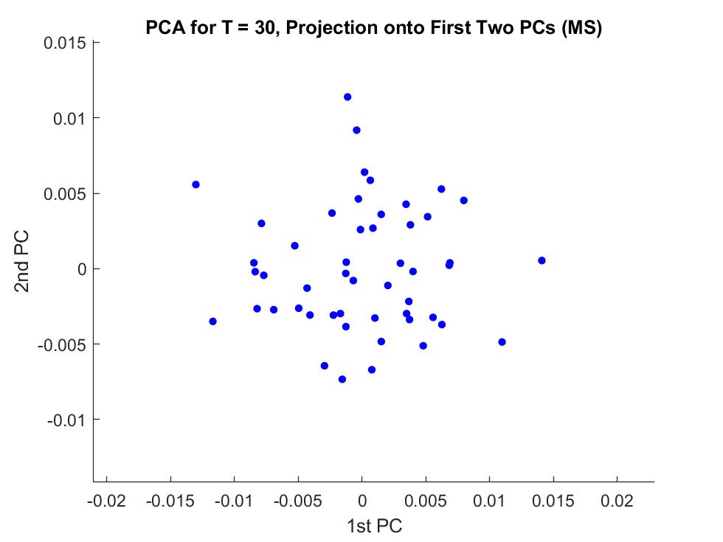
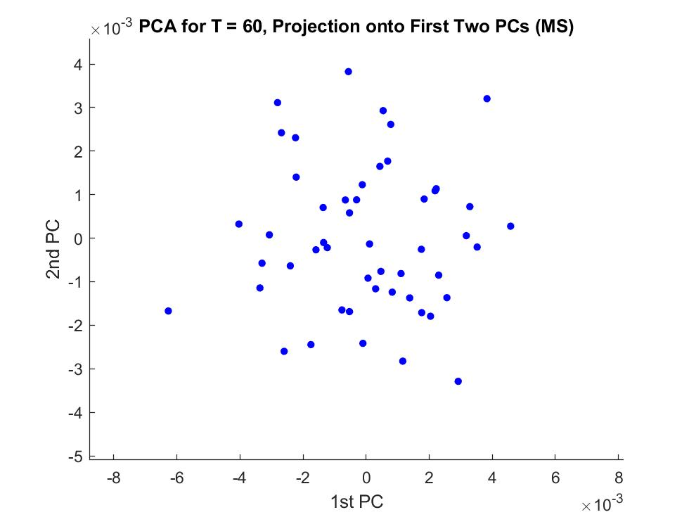
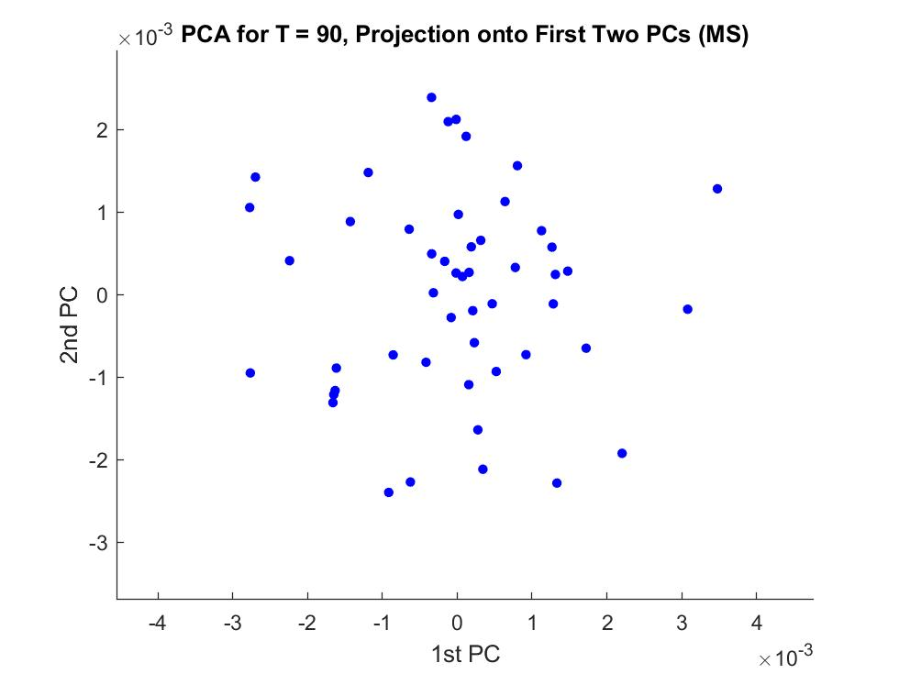
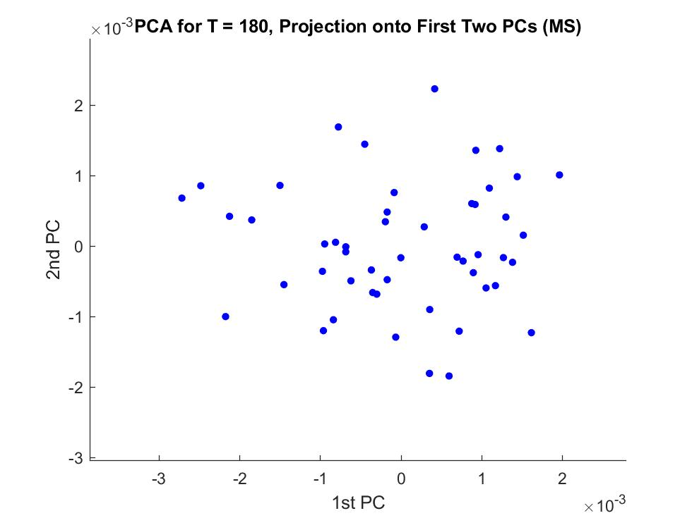
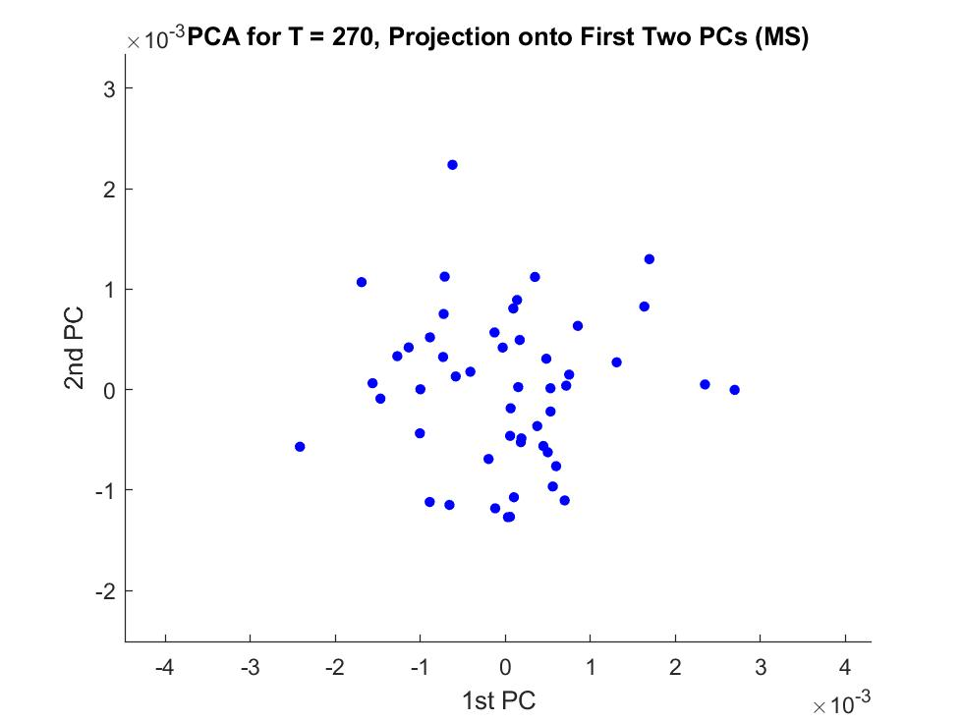
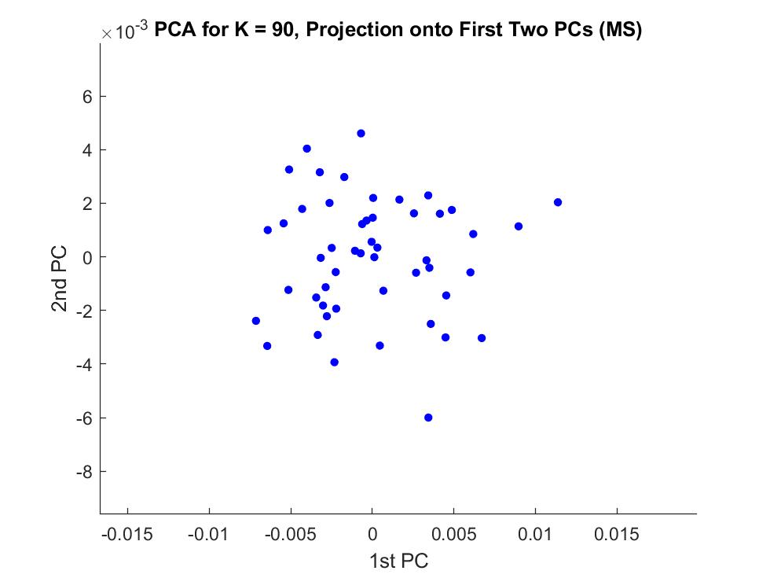
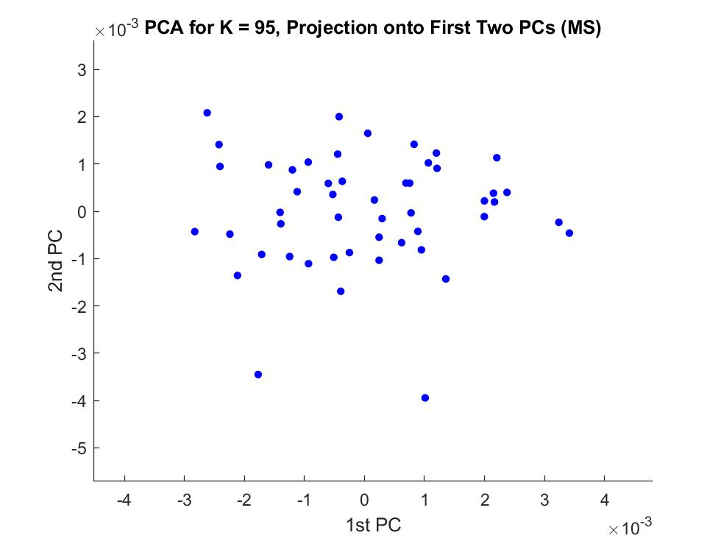
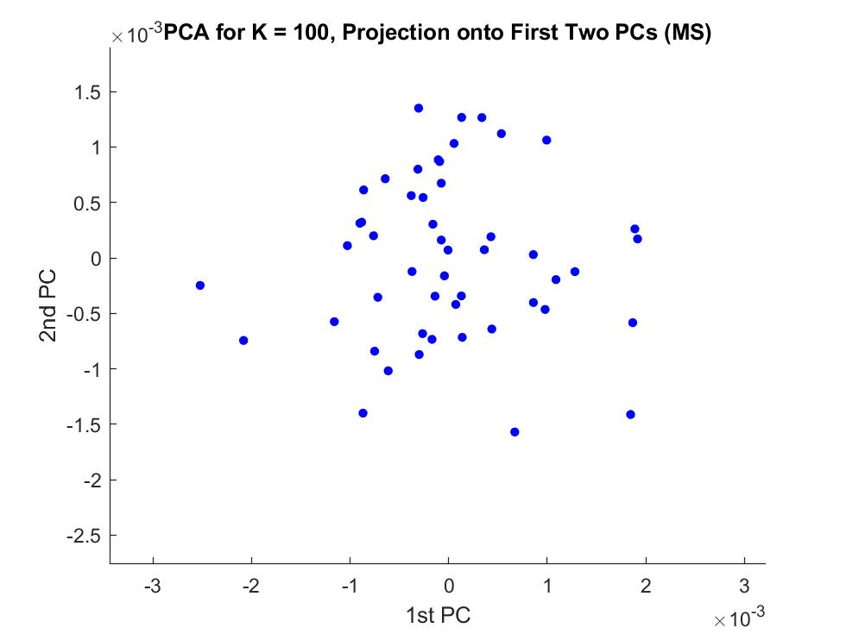
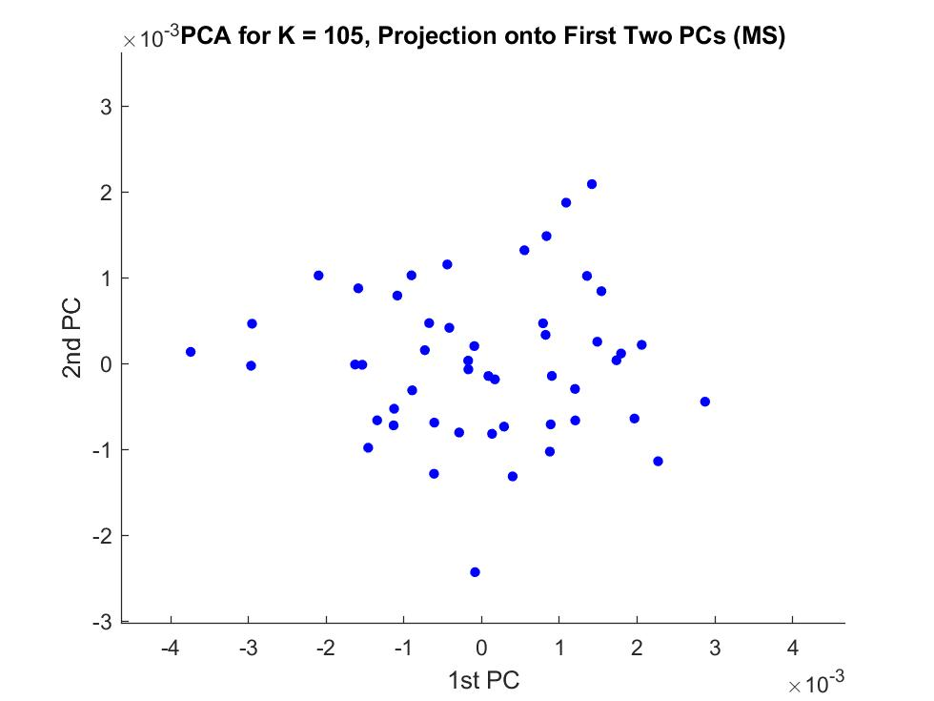
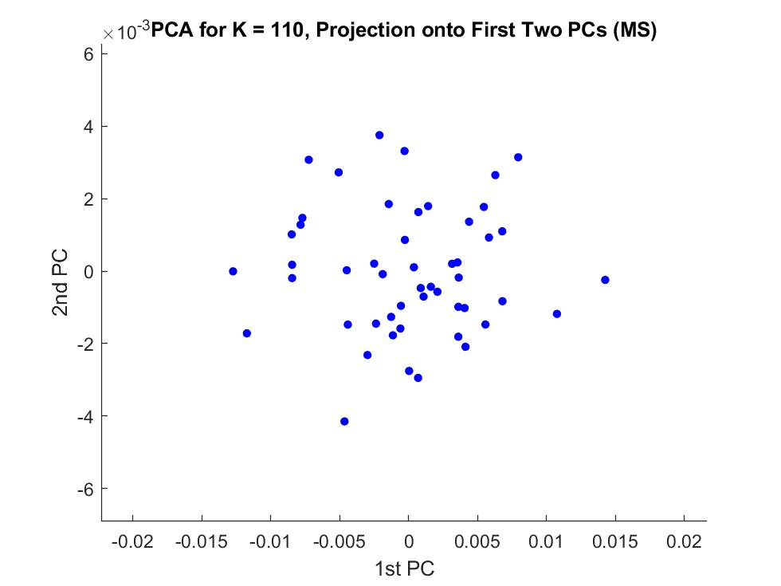
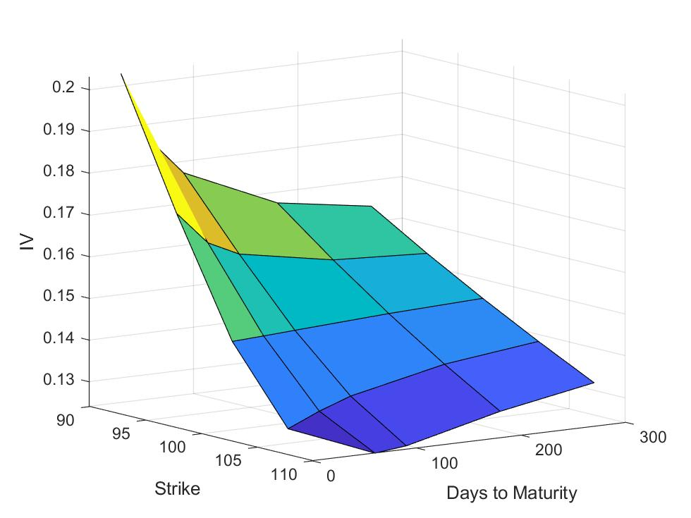
IV Surface Multiscale Averaged over all runs

PCA - entire surface
 | 0.985 | 0.985 | 0.917 | 0.698 | 0.712 | 0.777 | 0.823 | 0.554 | 0.608 | 0.568 | 0.537 | 0.575 | 0.665 | 0.627 | 0.369 | 0.432 | 0.502 | 0.470 | 0.503 | 0.532 | 0.706 | 0.603 | 0.537 | 0.494 | 0.431
Principal Components | c1 | c2 | c3 | c4 | c5 | c6 | c7 | c8 | c9 | c10 | c11 | c12 | c13 | c14 | c15 | c16 | c17 | c18 | c19 | c20 | c21 | c22 | c23 | c24 | c25
K = 90, M = 30 | -0.041 | 0.985 | 0.093 | -0.050 | 0.055 | -0.032 | 0.067 | -0.044 | 0.021 | -0.034 | 0.019 | -0.028 | -0.024 | -0.046 | -0.013 | 0.019 | -0.017 | -0.007 | -0.004 | 0.010 | -0.012 | 0.014 | 0.011 | -0.018 | 0.000
K = 95, M = 30 | -0.066 | -0.043 | 0.013 | -0.403 | 0.712 | 0.257 | -0.050 | 0.202 | 0.038 | 0.132 | -0.139 | -0.169 | -0.205 | 0.187 | 0.005 | 0.076 | 0.073 | -0.011 | 0.001 | 0.007 | -0.049 | 0.095 | 0.115 | -0.070 | -0.174
K = 100, M = 30 | -0.021 | 0.016 | 0.158 | 0.035 | -0.159 | 0.043 | 0.023 | 0.121 | -0.183 | -0.072 | -0.458 | 0.179 | -0.019 | 0.127 | 0.338 | 0.432 | 0.197 | -0.082 | 0.219 | 0.147 | 0.129 | -0.183 | 0.174 | -0.340 | 0.149
K = 105, M = 30 | 0.010 | 0.070 | -0.052 | 0.250 | -0.191 | 0.777 | -0.184 | 0.096 | -0.177 | -0.108 | 0.188 | -0.203 | 0.177 | 0.183 | -0.173 | 0.022 | 0.061 | -0.062 | 0.026 | 0.008 | -0.036 | -0.034 | -0.017 | -0.094 | -0.105
K = 110, M = 30 | 0.985 | 0.040 | -0.093 | -0.004 | 0.064 | 0.008 | 0.038 | -0.006 | 0.015 | -0.044 | -0.033 | -0.029 | -0.063 | 0.006 | 0.001 | 0.005 | 0.029 | -0.038 | 0.014 | -0.021 | 0.004 | -0.008 | 0.027 | -0.033 | 0.021
K = 90, M = 60 | 0.079 | -0.092 | 0.917 | 0.177 | 0.070 | 0.082 | 0.044 | -0.133 | 0.133 | 0.052 | 0.013 | -0.040 | -0.076 | -0.055 | -0.177 | 0.004 | 0.045 | 0.069 | 0.006 | -0.077 | 0.018 | 0.065 | -0.033 | 0.009 | 0.033
K = 95, M = 60 | -0.019 | -0.032 | -0.049 | -0.227 | -0.098 | 0.261 | 0.129 | -0.338 | 0.608 | -0.388 | -0.087 | -0.016 | 0.140 | 0.025 | 0.260 | -0.015 | 0.159 | 0.171 | 0.058 | 0.160 | 0.002 | 0.145 | 0.034 | 0.120 | -0.004
K = 100, M = 60 | -0.037 | 0.008 | -0.006 | -0.037 | 0.018 | -0.031 | -0.010 | 0.219 | 0.163 | 0.074 | 0.064 | -0.254 | 0.009 | -0.107 | 0.086 | -0.227 | 0.502 | -0.433 | 0.132 | -0.050 | 0.003 | -0.041 | -0.359 | -0.019 | 0.431
K = 105, M = 60 | 0.010 | -0.026 | -0.036 | -0.094 | 0.211 | -0.083 | 0.278 | -0.196 | 0.052 | 0.179 | 0.119 | 0.022 | 0.665 | 0.192 | -0.328 | 0.301 | -0.006 | -0.111 | 0.006 | 0.021 | -0.003 | -0.143 | 0.074 | -0.063 | 0.228
K = 110, M = 60 | -0.081 | -0.005 | -0.223 | 0.698 | 0.450 | -0.084 | -0.058 | -0.340 | 0.114 | -0.147 | -0.062 | -0.123 | -0.137 | -0.091 | 0.013 | 0.062 | 0.107 | -0.030 | 0.029 | 0.010 | 0.026 | -0.081 | 0.073 | -0.132 | 0.010
K = 90, M = 90 | -0.046 | -0.057 | 0.007 | 0.118 | -0.001 | 0.008 | 0.823 | 0.279 | -0.134 | -0.286 | 0.019 | -0.259 | -0.061 | -0.015 | 0.073 | -0.043 | -0.064 | 0.032 | -0.062 | -0.109 | -0.124 | -0.004 | 0.012 | -0.049 | -0.088
K = 95, M = 90 | -0.038 | 0.031 | -0.060 | 0.043 | -0.110 | -0.098 | -0.040 | 0.040 | 0.231 | -0.199 | -0.288 | 0.108 | -0.241 | 0.627 | -0.368 | -0.084 | -0.135 | -0.032 | 0.043 | -0.273 | -0.184 | -0.066 | -0.153 | -0.033 | 0.164
K = 100, M = 90 | 0.004 | 0.001 | -0.048 | 0.118 | -0.062 | 0.122 | 0.005 | -0.033 | 0.063 | 0.305 | 0.019 | -0.189 | -0.108 | -0.025 | 0.254 | 0.308 | -0.371 | -0.037 | 0.219 | -0.080 | -0.407 | 0.339 | 0.065 | 0.203 | 0.373
K = 105, M = 90 | 0.006 | 0.021 | -0.010 | 0.094 | -0.071 | -0.008 | 0.052 | 0.030 | 0.199 | 0.198 | 0.388 | 0.175 | -0.153 | 0.283 | 0.311 | 0.340 | 0.241 | -0.047 | -0.484 | -0.297 | 0.073 | -0.024 | -0.038 | 0.005 | -0.124
K = 110, M = 90 | 0.044 | 0.057 | 0.037 | 0.337 | 0.165 | 0.027 | -0.034 | 0.554 | 0.336 | 0.119 | -0.132 | 0.210 | 0.335 | 0.072 | 0.188 | -0.145 | -0.261 | 0.113 | -0.007 | 0.167 | 0.183 | 0.021 | -0.154 | 0.114 | -0.046
K = 90, M = 180 | -0.018 | 0.031 | -0.152 | 0.063 | -0.083 | 0.333 | 0.369 | -0.206 | 0.068 | 0.568 | -0.270 | 0.321 | -0.161 | -0.113 | -0.109 | -0.257 | 0.131 | 0.007 | 0.099 | -0.096 | 0.079 | -0.082 | 0.024 | 0.035 | -0.063
K = 95, M = 180 | 0.011 | -0.002 | 0.063 | -0.061 | 0.032 | -0.021 | 0.051 | -0.362 | -0.179 | 0.109 | -0.003 | -0.269 | 0.063 | 0.333 | 0.369 | -0.168 | -0.318 | -0.114 | 0.153 | -0.080 | 0.391 | -0.026 | -0.372 | -0.091 | -0.131
K = 100, M = 180 | 0.005 | 0.014 | 0.100 | 0.099 | -0.093 | -0.103 | -0.037 | -0.069 | -0.062 | 0.083 | -0.203 | -0.148 | 0.159 | 0.260 | 0.142 | -0.371 | 0.068 | -0.391 | -0.318 | 0.142 | -0.126 | 0.157 | 0.537 | 0.136 | -0.058
K = 105, M = 180 | -0.033 | 0.000 | -0.097 | -0.001 | -0.035 | 0.058 | 0.045 | 0.087 | -0.009 | -0.089 | -0.019 | -0.065 | -0.115 | -0.034 | -0.222 | 0.081 | -0.050 | -0.003 | -0.086 | -0.143 | 0.706 | 0.444 | 0.239 | 0.055 | 0.326
K = 110, M = 180 | -0.014 | -0.026 | 0.030 | -0.013 | -0.023 | -0.033 | 0.105 | 0.058 | 0.204 | 0.014 | 0.537 | 0.172 | -0.282 | 0.155 | -0.032 | -0.125 | -0.166 | -0.231 | 0.377 | 0.361 | 0.079 | -0.103 | 0.290 | -0.220 | 0.005
K = 90, M = 270 | -0.009 | -0.017 | 0.065 | -0.037 | 0.282 | 0.229 | 0.055 | -0.120 | -0.283 | -0.342 | 0.065 | 0.575 | -0.006 | -0.056 | 0.141 | -0.085 | -0.146 | -0.333 | -0.134 | -0.034 | -0.073 | 0.049 | -0.141 | 0.210 | 0.244
K = 95, M = 270 | 0.018 | 0.032 | -0.003 | 0.099 | 0.098 | -0.117 | 0.025 | -0.007 | -0.301 | 0.025 | 0.189 | 0.176 | 0.119 | 0.325 | 0.115 | -0.220 | 0.398 | 0.470 | 0.287 | -0.020 | -0.101 | 0.377 | 0.026 | 0.002 | 0.102
K = 100, M = 270 | 0.014 | 0.005 | -0.020 | 0.095 | -0.049 | -0.083 | 0.121 | -0.024 | -0.109 | 0.034 | -0.071 | -0.031 | -0.166 | 0.172 | -0.205 | 0.306 | 0.179 | -0.160 | 0.045 | 0.532 | 0.067 | 0.161 | -0.290 | 0.494 | -0.230
K = 105, M = 270 | -0.001 | -0.017 | -0.029 | 0.023 | -0.063 | -0.079 | 0.013 | -0.011 | 0.097 | -0.009 | -0.066 | 0.171 | 0.132 | -0.130 | -0.102 | 0.073 | -0.009 | -0.320 | 0.050 | -0.070 | -0.133 | 0.603 | -0.194 | -0.490 | -0.355
K = 110, M = 270 | -0.007 | 0.013 | 0.023 | 0.023 | 0.013 | -0.073 | -0.055 | 0.083 | 0.042 | -0.117 | 0.020 | 0.045 | 0.137 | -0.048 | 0.032 | 0.102 | 0.096 | -0.237 | 0.503 | -0.508 | 0.084 | -0.083 | 0.222 | 0.410 | -0.355

% of Variance explained | 43.091 | 23.296 | 7.134 | 4.814 | 3.327 | 2.757 | 2.615 | 1.930 | 1.689 | 1.434 | 1.314 | 1.028 | 0.897 | 0.727 | 0.694 | 0.647 | 0.603 | 0.436 | 0.359 | 0.324 | 0.281 | 0.192 | 0.148 | 0.137 | 0.124

PCA - fixed maturity

T = 30 |  |  |  |  |  |  |  | T = 60 |  |  |  |  |  |  |  | T = 90 |  |  |  |  |  |  |  | T = 180 |  |  |  |  |  | T = 270
Principal Components | c1 | c2 | c3 | c4 | c5 |  |  | Principal Components | c1 | c2 | c3 | c4 | c5 |  |  | Principal Components | c1 | c2 | c3 | c4 | c5 |  |  | Principal Components | c1 | c2 | c3 | c4 | c5 | Principal Components | c1 | c2 | c3 | c4 | c5
K = 90 | -0.042 | 0.996 | 0.069 | -0.040 | -0.012 |  |  | K = 90 | 0.957 | 0.271 | 0.098 | -0.012 | 0.037 |  |  | K = 90 | 0.990 | -0.138 | 0.003 | 0.015 | 0.005 |  |  | K = 90 | 0.990 | 0.073 | 0.062 | 0.090 | -0.058 | K = 90 | 0.961 | -0.193 | 0.179 | 0.075 | -0.039
K = 95 | -0.067 | -0.042 | 0.861 | 0.484 | 0.134 |  |  | K = 95 | -0.032 | -0.229 | 0.928 | -0.286 | -0.049 |  |  | K = 95 | 0.002 | 0.075 | 0.914 | 0.371 | 0.147 |  |  | K = 95 | -0.026 | 0.651 | 0.506 | -0.564 | 0.035 | K = 95 | 0.239 | 0.916 | -0.241 | -0.017 | 0.215
K = 100 | -0.024 | 0.019 | -0.132 | -0.041 | 0.990 |  |  | K = 100 | -0.032 | -0.026 | -0.008 | -0.168 | 0.985 |  |  | K = 100 | 0.012 | 0.149 | -0.308 | 0.391 | 0.854 |  |  | K = 100 | -0.077 | 0.552 | 0.017 | 0.686 | 0.467 | K = 100 | -0.124 | 0.328 | 0.813 | 0.331 | -0.326
K = 105 | 0.011 | 0.069 | -0.482 | 0.873 | -0.029 |  |  | K = 105 | -0.018 | -0.021 | 0.293 | 0.942 | 0.162 |  |  | K = 105 | 0.020 | 0.207 | -0.262 | 0.801 | -0.497 |  |  | K = 105 | 0.113 | -0.247 | -0.158 | -0.378 | 0.871 | K = 105 | -0.060 | -0.127 | 0.064 | 0.665 | 0.730
K = 110 | 0.996 | 0.039 | 0.063 | 0.020 | 0.033 |  |  | K = 110 | -0.287 | 0.934 | 0.206 | -0.051 | 0.009 |  |  | K = 110 | 0.137 | 0.954 | 0.034 | -0.262 | -0.037 |  |  | K = 110 | -0.034 | -0.452 | 0.845 | 0.247 | 0.136 | K = 110 | 0.020 | 0.008 | -0.495 | 0.664 | -0.559

% of Variance explained | 59.092 | 32.012 | 4.436 | 3.166 | 1.293 |  |  | % of Variance explained | 49.330 | 26.935 | 11.722 | 7.848 | 4.165 |  |  | % of Variance explained | 35.990 | 29.480 | 14.628 | 12.383 | 7.518 |  |  | % of Variance explained | 40.331 | 24.166 | 17.432 | 10.559 | 7.512 | % of Variance explained | 41.223 | 25.028 | 14.223 | 12.332 | 7.194

PCA - fixed strike

K = 90 |  |  |  |  |  |  |  | K = 95 |  |  |  |  |  |  |  | K = 100 |  |  |  |  |  |  |  | K = 105 |  |  |  |  |  | K = 110
Principal Components | c1 | c2 | c3 | c4 | c5 |  |  | Principal Components | c1 | c2 | c3 | c4 | c5 |  |  | Principal Components | c1 | c2 | c3 | c4 | c5 |  |  | Principal Components | c1 | c2 | c3 | c4 | c5 | Principal Components | c1 | c2 | c3 | c4 | c5
T = 30 | 0.993 | 0.107 | 0.045 | -0.037 | 0.002 |  |  | T = 30 | 0.966 | -0.224 | 0.110 | 0.060 | 0.021 |  |  | T = 30 | 0.887 | 0.002 | -0.197 | -0.397 | -0.129 |  |  | T = 30 | 0.951 | 0.279 | -0.092 | -0.056 | 0.080 | T = 30 | 0.995 | 0.059 | -0.069 | 0.026 | 0.013
T = 60 | -0.103 | 0.980 | 0.067 | 0.138 | -0.076 |  |  | T = 60 | 0.222 | 0.877 | -0.242 | 0.017 | 0.350 |  |  | T = 60 | -0.082 | 0.680 | 0.470 | -0.495 | 0.255 |  |  | T = 60 | -0.284 | 0.946 | -0.136 | 0.019 | -0.068 | T = 60 | -0.082 | 0.927 | -0.356 | 0.082 | 0.012
T = 90 | -0.054 | -0.018 | 0.904 | -0.411 | -0.104 |  |  | T = 90 | -0.064 | 0.243 | 0.729 | 0.630 | -0.096 |  |  | T = 90 | 0.015 | -0.633 | 0.709 | -0.274 | -0.146 |  |  | T = 90 | 0.058 | 0.154 | 0.982 | 0.084 | -0.036 | T = 90 | 0.045 | 0.366 | 0.920 | -0.082 | -0.108
T = 180 | 0.032 | -0.154 | 0.404 | 0.900 | -0.031 |  |  | T = 180 | 0.033 | -0.024 | -0.618 | 0.664 | -0.420 |  |  | T = 180 | 0.387 | 0.298 | 0.483 | 0.695 | -0.211 |  |  | T = 180 | 0.077 | -0.027 | -0.091 | 0.959 | -0.254 | T = 180 | -0.015 | -0.048 | 0.109 | 0.993 | -0.002
T = 270 | -0.015 | 0.068 | 0.112 | -0.004 | 0.991 |  |  | T = 270 | -0.109 | -0.348 | -0.129 | 0.399 | 0.831 |  |  | T = 270 | 0.237 | -0.220 | 0.065 | 0.197 | 0.923 |  |  | T = 270 | -0.077 | 0.043 | 0.010 | 0.263 | 0.961 | T = 270 | -0.007 | 0.028 | 0.106 | -0.008 | 0.994

% of Variance explained | 65.905 | 19.284 | 7.266 | 4.111 | 3.434 |  |  | % of Variance explained | 43.643 | 25.689 | 13.671 | 9.703 | 7.295 |  |  | % of Variance explained | 33.758 | 21.514 | 17.585 | 14.936 | 12.207 |  |  | % of Variance explained | 52.019 | 19.484 | 15.139 | 7.910 | 5.448 | % of Variance explained | 86.301 | 8.404 | 3.016 | 1.595 | 0.684

